INSTRUCTIONS
 | BUDGET APPLICATION DIRECTIONS AND INSTRUCTIONS

 | Applicant Directions: Complete all GREEN CELLS on the SUMMARY BUDGET and the DETAILED BUDGET for each of Application Budget Excel file. Complete the GREEN BOXES in the Application Budget Narrative Word File. Save the two documents and submit both required documents with your application. | 

Required Documents:
 | ARPA CLFR PSB Application Budget (Excel File)

Instructions:
 | The Budget must be submitted with visible formulas and references and must be broken out by project period, including itemization of the requested ARPA CLFR PSB grant award and other funding sources for the program amounts. Files must not contain any hidden or otherwise inaccessible cells.

 | The budget must contain sufficient detail to allow King County to understand the proposed costs. The Applicant must ensure the budgeted costs address King County reporting and other compliance requirements set forth in this grant solicitation.

 | 3. The Budget must include the following, at a minimum:

 | Summary Budget, inclusive of all program costs (federal and non-federal), broken out by pre-filled specified major budget category and by pre-filled specified grant periods for activities implemented by the Applicant and any potential sub-applicants for the entire period of the program.

 | Detailed Budget, including a breakdown by provided grant period, sufficient to allow King County to determine that the costs represent a realistic and efficient use of funding to implement the applicant’s program and are allowable in accordance with the cost principles found in 2 CFR 200 Subpart E.

 | 4. The Detailed Budget must adhere to the following budget categories and provide the listed information, at a minimum:

 | Salaries and Benefits - Must be proposed consistent with 2 CFR 200.430 Compensation - Personal Services and 2 CFR 200.431 Compensation - Fringe Benefits.
 | The Applicant’s budget must include position title, salary rate, level of effort, and salary escalation factors for each position over the specified grant periods.
 | Benefits, when proposed, must be broken down by specific type and by position.
 | Applicants must explain all assumptions in the Budget Narrative.
 | The Budget Narrative must demonstrate that the proposed compensation is reasonable for the services rendered and consistent with what is paid for similar work in other activities of the applicant.
 | Applicants must provide their established written policies on personnel compensation. If the Applicant’s written policies do not address a specific element of compensation that is being proposed, the Budget Narrative must describe the rationale used and supporting market research.

 | Procurement or Rental of Goods (Equipment & Supplies), Services, and Real Property – Must include information on estimated types of equipment, models, supplies and the cost per unit and quantity. The Budget Narrative must include the purpose of the equipment and supplies and the basis for the estimates. The Budget Narrative must support the necessity of any rental costs and reasonableness in light of such factors as: rental costs of comparable property, if any; market conditions in the area; alternatives available; and the type, life expectancy, condition, and value of the property leased.

 | Subawards (if applicable) – Specify the budget for the portion of the program to be passed through to any subrecipients. See 2 CFR 200.330 for assistance in determining whether the sub-tier entity is a subrecipient or contractor. The subrecipient budgets must align with the same requirements as the Applicant’s budget.

 | Other Direct Costs – This may include other costs not elsewhere specified, such as report preparation costs, passports and visas fees, medical exams and inoculations, as well as any other miscellaneous costs which directly benefit the program proposed by the applicant. The applicant should indicate the subject, venue and duration of any proposed conferences and seminars, and their relationship to the objectives of the program, along with estimates of costs. Otherwise, the narrative should be minimal.

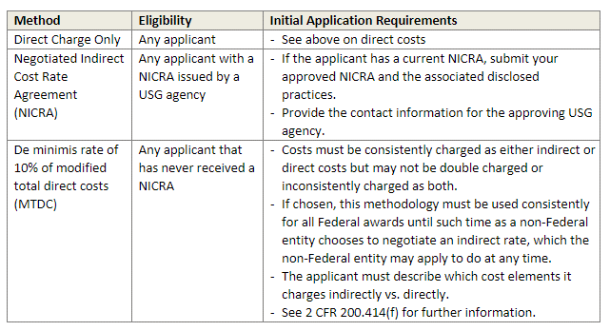
 | Indirect Costs - Applicants must indicate whether they are proposing indirect costs or will charge all costs directly. In order to better understand indirect costs please see Subpart E of 2 CFR 200.414. The application must identify which approach they are requesting and provide the applicable supporting information. Below are the most commonly used Indirect Cost Rate methods:

